Cover
  FINAL PROJECT GROUP KIN GVHD: Phạm Minh Quân Students Name : 1. Phung Minh Chi - 23520179 2. Nguyen Huu Minh Chien - 23520183 3. Nguyen Le Minh Anh - 23520063

Topic
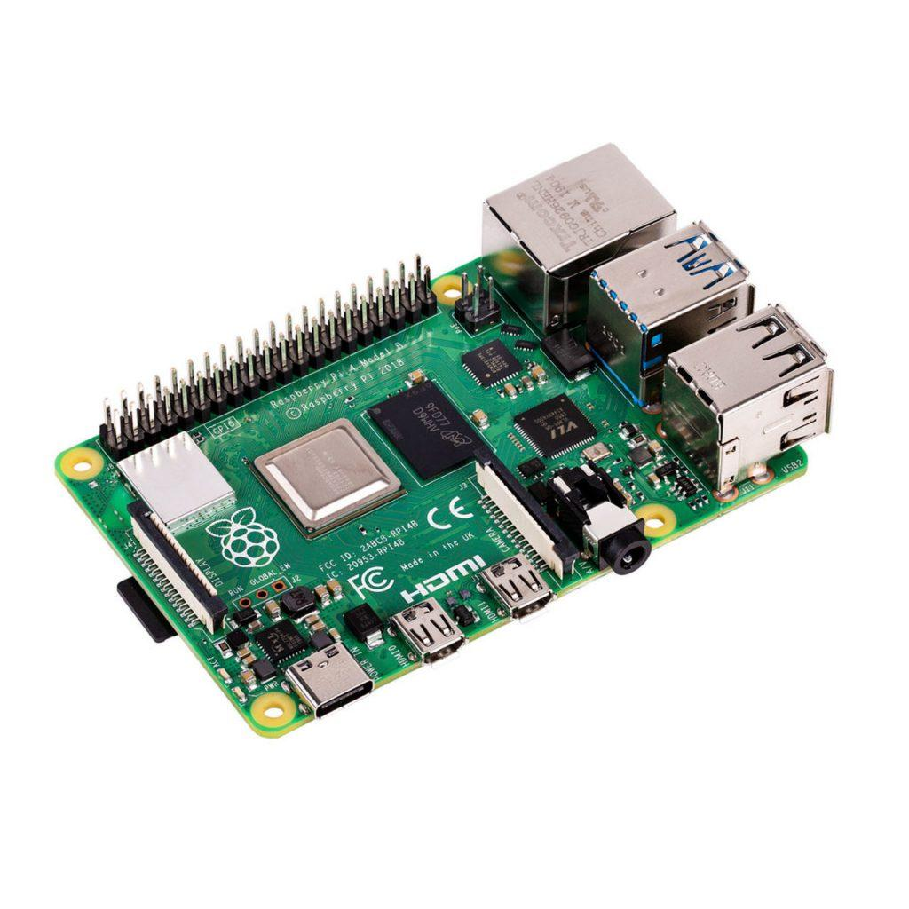
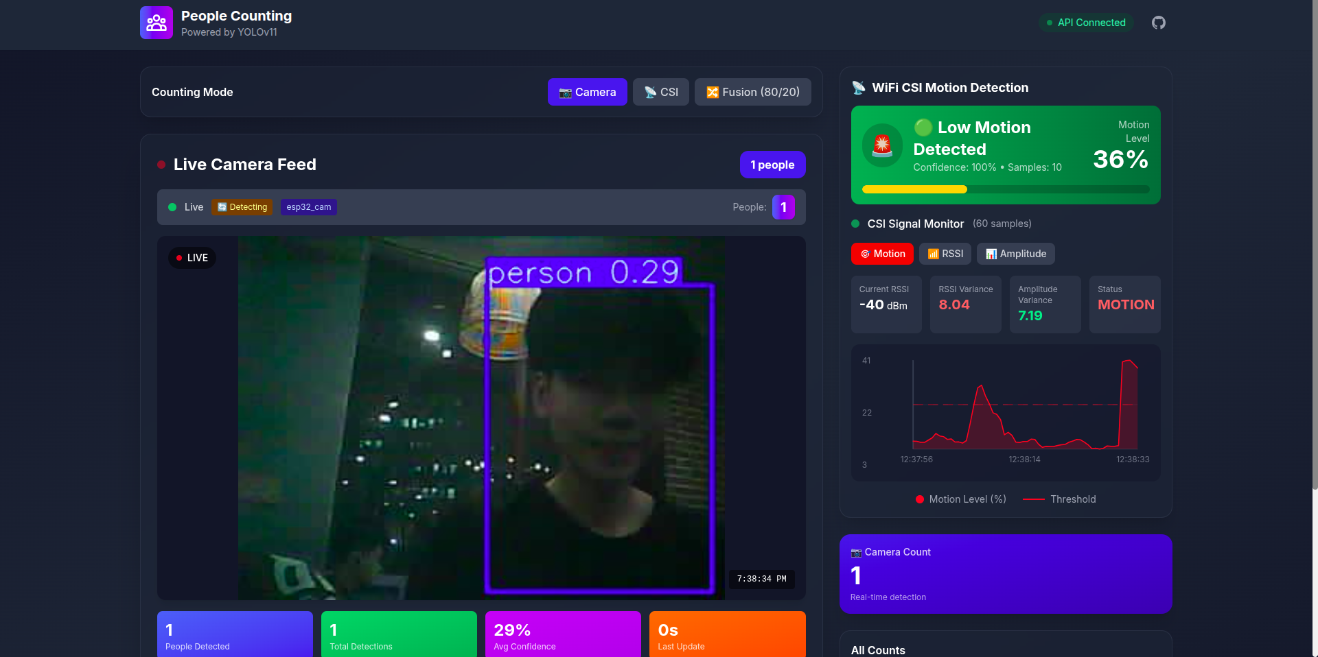
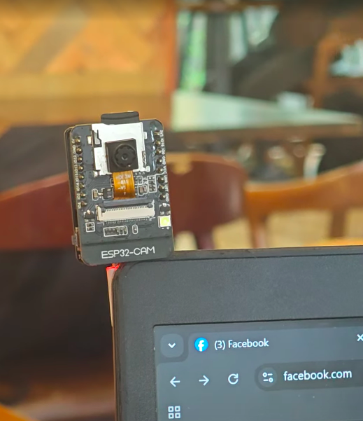
Project : SMART LOCKER WITH CAMERA ON RASPBERRY PI 4B

System Diagram
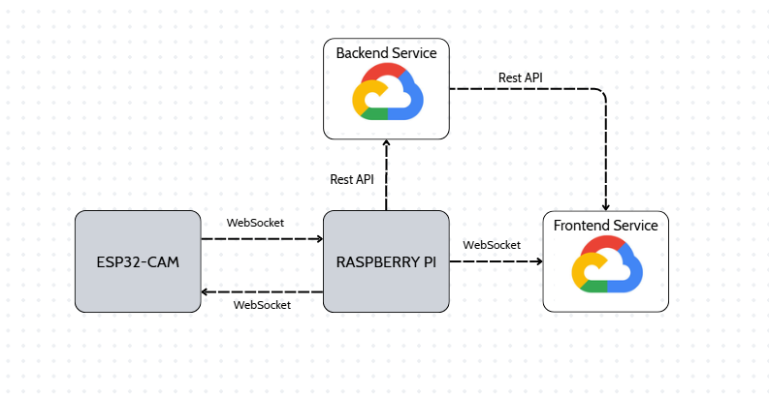

 | The diagram represents the communication between peripherals, MCUs, SCB and Cloud

 | No. | Programing Language | Deployment Environment | Development Environment | Where ?
Computer Software Deployment | 1 | Python | Python Runtime trên Linux (Raspberry Pi OS) | Visual Studio Code / SSH | Link
 | 2 | Python | Python Runtime (Windows 10) | Visual Studio Code | Link
 | 3 | Next.js (JavaScript) | Node.js Runtime (Windows 10 / Linux) | Visual Studio Code | Link
Embedded Software Deployment | 4 | C / C++ (Embedded) | ESP32-CAM Flash + RAM (FreeRTOS – ESP-IDF) | Visual Studio Code + ESP-IDF Extension | Link

The system is under development

Block Diagram
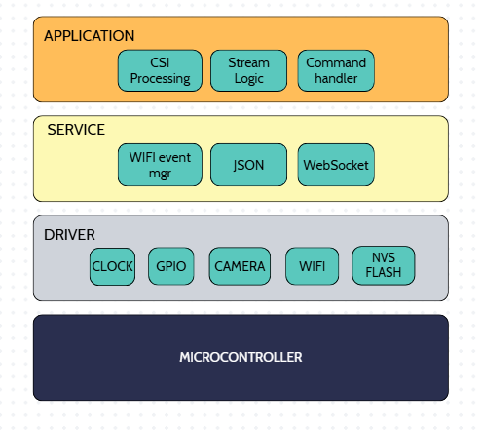
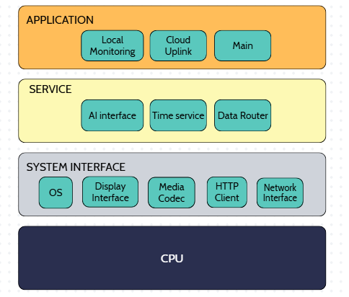

No. | Layer | Modules | Description | No. | Layer | Modules | Description
1 | Driver | CLOCK |  | 1 | System interface | OS / Runtime
2 | Driver | GPIO |  | 2 | System interface | Network Interface
3 | Driver | Camera Driver |  | 3 | System interface | Media Codec
4 | Driver | Wi-Fi PHY / CSI |  | 4 | System interface | Display interface
5 | Driver | NVS Flash |  | 5 | System interface | HTTP Client
6 | Service | WebSocket Client |  | 6 | Service | AI Inference Engine
7 | Service | JSON Service |  | 7 | Service | Data Router
8 | Service | WiFi Event Mgr |  | 8 | Service | Timer Service
9 | Application | Stream Logic |  | 9 | Application | Main Orchestrator
10 | Application | CSI Processing |  | 10 | Application | Cloud Uplink
11 | Application | Command Handler |  | 11 | Application | Local Monitoring

Test Case
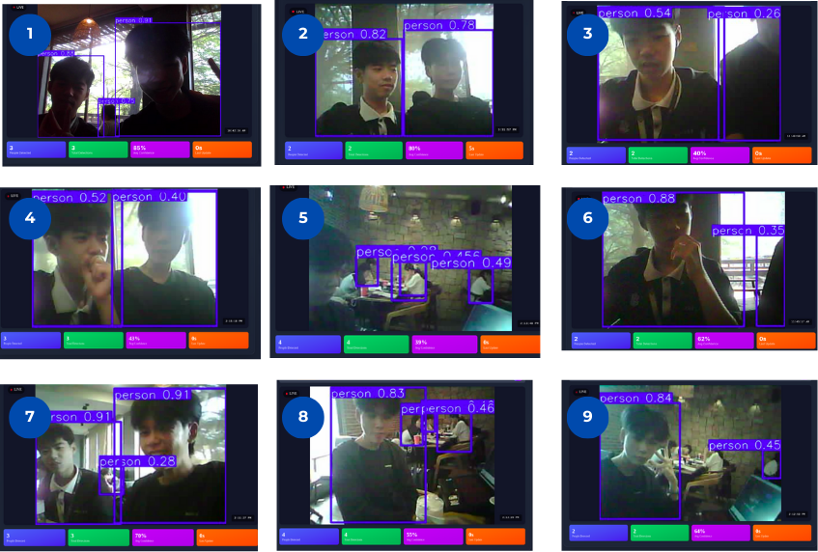
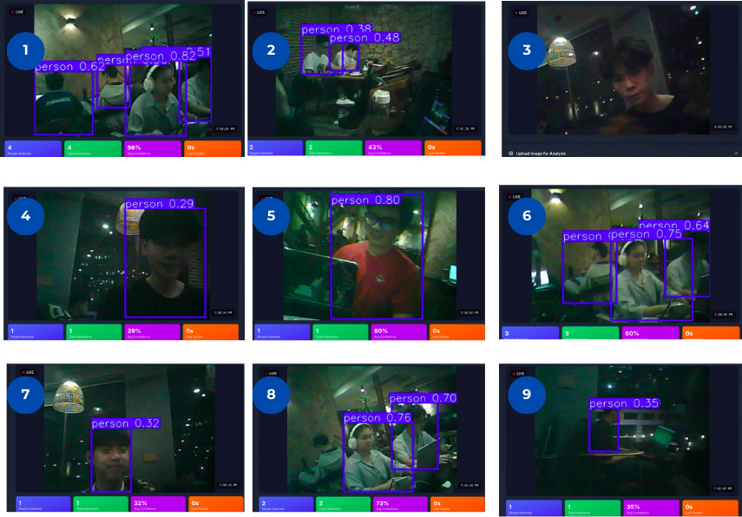
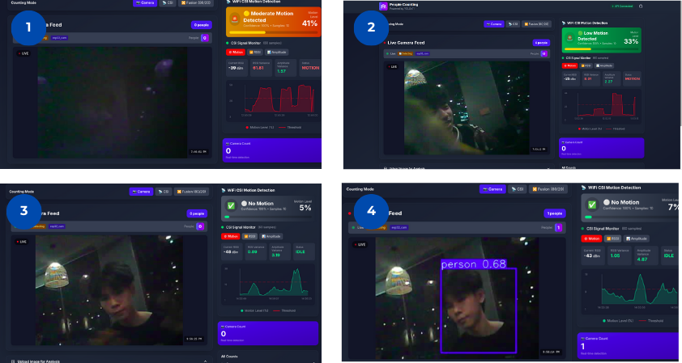
Test Case_ID | Requirement | Test Target | Pre-Codition | Test Proceduce | Test Expected | Test Result | Bug | Evidence | Remark | Status | Note
TC-01 | REQ-01, REQ-02 | Face Detection & Recognition | Camera active, LBPH model xml exists | Stand in front of the camera, ensure correct face alignment. | Face is bounded with a green box, name and confidence distance are printed on screen. | Pass | None | Web live stream showing recognized name. | LBPH distance threshold set to 150. | Done
TC-02 | REQ-04, REQ-05 | Fuzzy Decision Logic | Face recognized or unknown, illumination and angle computed | Test recognition in low light, frontal face, and marginal angle. | Fuzzy controller calculates security risk and maps to correct action (unlock, otp, deny, lockout). | Pass | None | Log output shows fuzzy rule memberships and defuzzified centroid risk. | Fallback static logic runs if pyfuzzylite is unavailable. | Done
TC-03 | REQ-09 | Servo Lock Control | Servo connected to GPIO 18, external 5V supply connected with common ground | Trigger a successful unlock (face recognized with risk < 0.3 or valid PIN entered). | Servo duty cycle changes to 7.5%, waits 5s, changes to 2.5%, then output disabled to avoid hum. | Pass | None | Physical lock unlatches and latches without buzz. | Verified using test_servo.py. | Done
TC-04 | REQ-06 | Keypad Interrupt Matrix Scan | Keypad row/col GPIO setup correctly | Press physical buttons on 4x4 matrix keypad. | GPIO rising edge interrupt triggers matrix scan and prints key to log. | Pass | None | Key event printed to terminal on press. | Debounce time limits multiple triggers. | Done
TC-05 | REQ-07, REQ-10 | SHA-256 Passcode Verification | Keypad active, default PIN is '123456' | Enter '123456' on keypad followed by '#' or wait. | PIN matches stored hash, OLED shows access granted, door unlocks. | Pass | None | OLED displays 'ACCESS GRANTED via PIN', Servo turns. | SHA-256 hash comparison is secure. | Done
TC-06 | REQ-08 | Keypad Lockout Policy | Keypad active | Enter incorrect 6-digit codes 5 times consecutively. | Lockout timer starts, keypad entry is blocked for 30s, OLED shows warning countdown. | Pass | None | OLED shows 'LOCKED Wait X s', attempts reset. | Prevents brute force attacks. | Done
TC-07 | REQ-10, REQ-11 | Live Face Registration | Web dashboard open, camera running | Enter name on dashboard and click 'Register'. Move head slowly. | Saves 30 crops satisfying quality (blur >= 20, brightness in [35, 230], angle <= 40, similarity >= 1.5). | Pass | None | Raw crops written to registered_faces/<user_slug>, progress bar updates. | Progress displays on OLED and Web UI. | Done
TC-08 | REQ-02, REQ-11 | Online Model Retraining | 30 face samples collected | Finish registration sample collection. | Automatically trains LBPH model, reloads trained XML, and updates face recognition instantly. | Pass | None | XML file timestamp updates, recognizer maps new username. | Reload is hot without stopping camera worker. | Done

